P4(b)
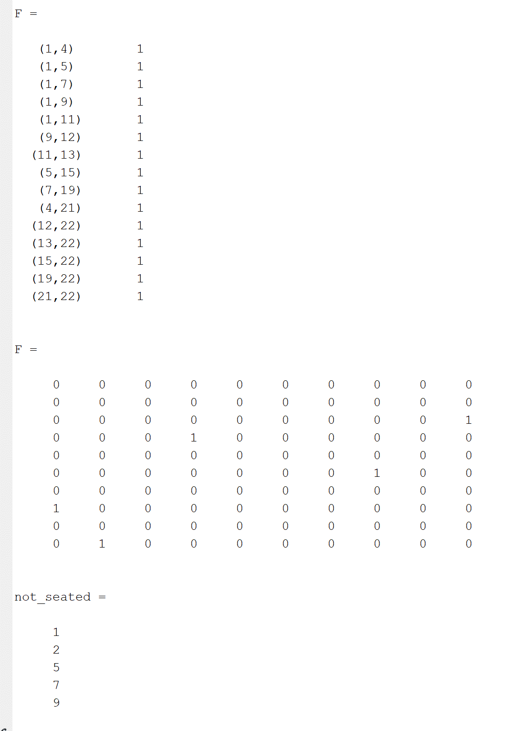
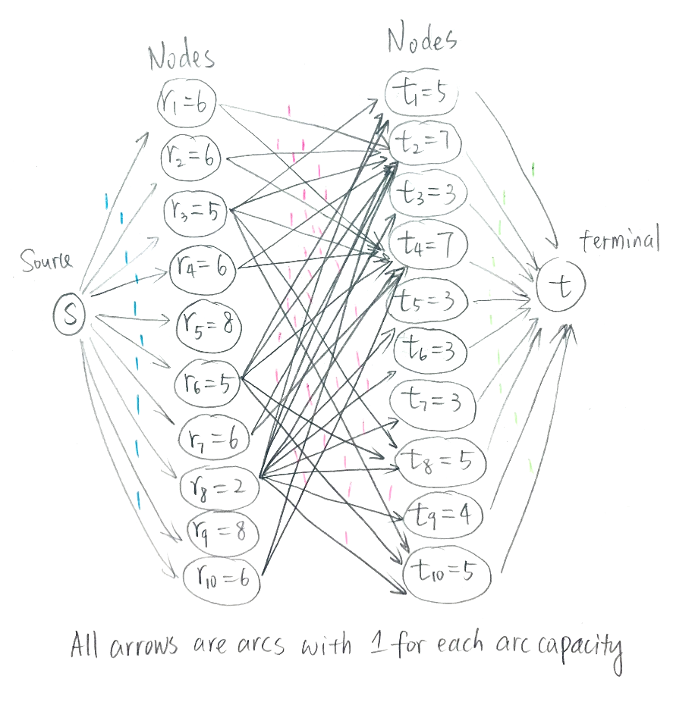
b) Using Bipartite Matching to maxize the number of reservation | Excel solution
D3:D12-->Randomly generate 10 reservations with different customers in the reseravtion | reservations\tables | 2 | 7 | 3 | 5 | 4 | 10 | 6 | 7 | 3 | 3
For example, D3: There are 7 customers in the first reservation | 7 | 0 | 1 | 0 | 0 | 0 | 1 | 0 | 1 | 0 | 0
E2:N2-->Randomly generated 10 tables with different customer capacity | 4 | 0 | 1 | 0 | 1 | 1 | 1 | 1 | 1 | 0 | 0
For example,E2: The first table can accommodate max 2 customers | 1 | 1 | 1 | 1 | 1 | 1 | 1 | 1 | 1 | 1 | 1
 | 7 | 0 | 1 | 0 | 0 | 0 | 1 | 0 | 1 | 0 | 0
Objective function: | 4 | 0 | 1 | 0 | 1 | 1 | 1 | 1 | 1 | 0 | 0
Total number of reservation=sum(number of reservation) | 6 | 0 | 1 | 0 | 0 | 0 | 1 | 1 | 1 | 0 | 0
 | 4 | 0 | 1 | 0 | 1 | 1 | 1 | 1 | 1 | 0 | 0
Constraints | 4 | 0 | 1 | 0 | 1 | 1 | 1 | 1 | 1 | 0 | 0
Actual reserved numbers of tables <=original numbers of tables | 6 | 0 | 1 | 0 | 0 | 0 | 1 | 1 | 1 | 0 | 0
Actual reserved numbers of tables are binary | 5 | 0 | 1 | 0 | 1 | 0 | 1 | 1 | 1 | 0 | 0
Each table can be reserved only one time (<=1)
Each reservation is matching at most one table (<=1) |  |  |  | matching table
 | reservations\tables | 2 | 7 | 3 | 5 | 4 | 10 | 6 | 7 | 3 | 3 | sum of rows
 | 7 | 0 | 1 | 0 | 0 | 0 | 0 | 0 | 0 | 0 | 0 | 1
 | 4 | 0 | 0 | 0 | 1 | 0 | 0 | 0 | 0 | 0 | 0 | 1
 | 1 | 1 | 0 | 0 | 0 | 0 | 0 | 0 | 0 | 0 | 0 | 1
 | 7 | 0 | 0 | 0 | 0 | 0 | 1 | 0 | 0 | 0 | 0 | 1
 | 4 | 0 | 0 | 0 | 0 | 1 | 0 | 0 | 0 | 0 | 0 | 1
 | 6 | 0 | 0 | 0 | 0 | 0 | 0 | 1 | 0 | 0 | 0 | 1
 | 4 | 0 | 0 | 0 | 0 | 0 | 0 | 0 | 1 | 0 | 0 | 1
 | 4 | 0 | 0 | 0 | 0 | 0 | 0 | 0 | 0 | 0 | 0 | 0
 | 6 | 0 | 0 | 0 | 0 | 0 | 0 | 0 | 0 | 0 | 0 | 0
 | 5 | 0 | 0 | 0 | 0 | 0 | 0 | 0 | 0 | 0 | 0 | 0
 | sum of columns | 1 | 1 | 0 | 1 | 1 | 1 | 1 | 1 | 0 | 0

 | max number of reservations | 7 |  | customer number |  | 33

 | Matlab solution
 | Matlab code |  |  |  |  |  |  |  | Randomly generated reseravtion values and table values, with random fit as conditions
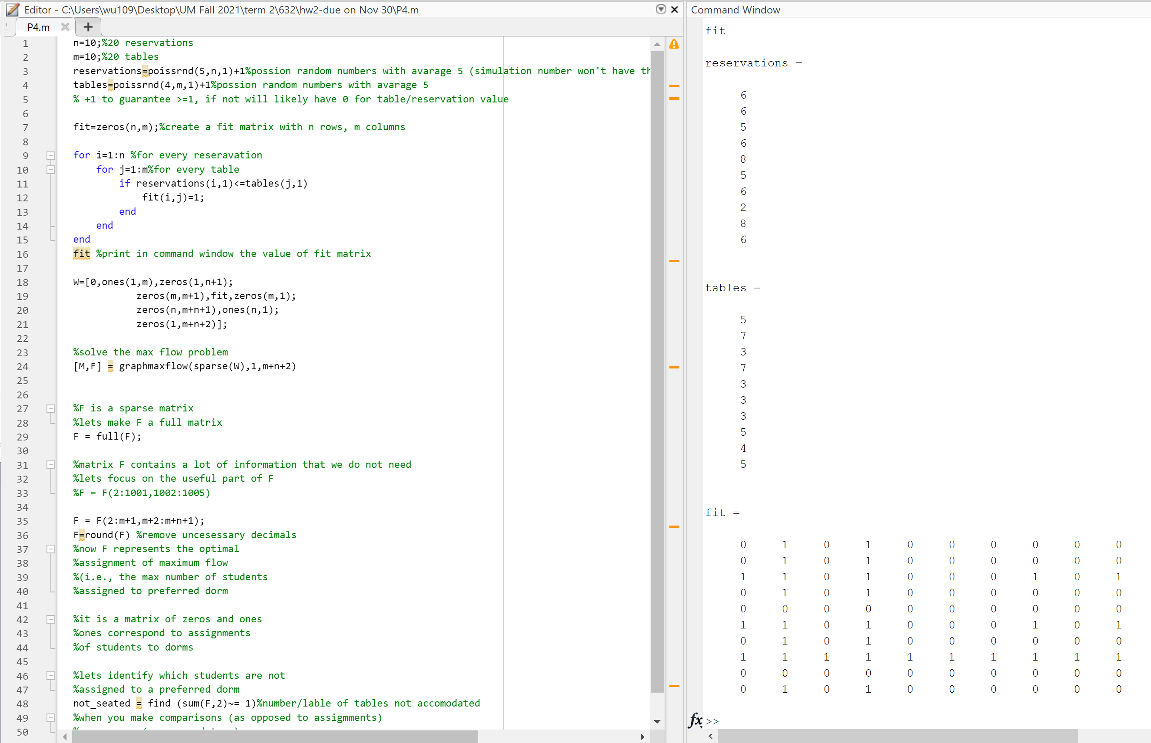
 |  |  |  |  |  |  |  |  |  |  |  |  | Solutions: with Bipartite Matching based answer
 |  |  |  |  |  |  |  |  |  |  |  |  | The lables of tables that are not accomodated with customers are 1,2,5,7,9

